WBS Tree Diagram - BLANK
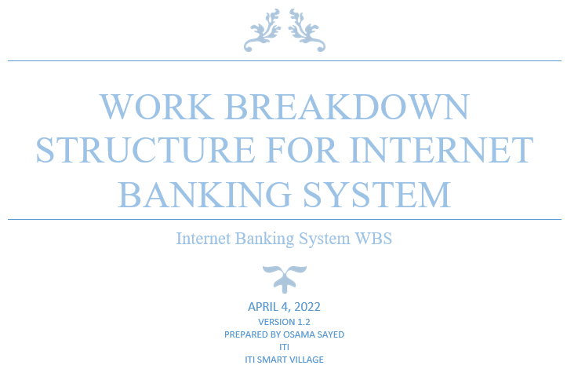

Internet Banking System

1.0 Launch project
3.0 Development
4.0 Testing
2.0 Design

4.1 Testing sterategy
4.2 test plan
4.3 Unit Test
4.4 Integrtion Test
4.5 System Test
4.6 Acceptnce Test

1.1 Complete Stakeholder Research
1.2 Requirement Gathering
1.3 initial Implementation Plan
2.1 High level Design
2.2 low level Design
3.1 Back end
3.2 Front End

3.1.1 Prepare Database
3.1.2 login /Registration
3.1.3 Admin page
3.1.4 transefer money
3.1.5 Transaction History
3.2.1 Login /Registration
3.2.2 Admin UI
3.2.3 transefer money 3.2.5 transaction History

1.1.1 Stakeholder Interviews
1.1.2 Stakeholder Analysis
1.2.1 User Requirement
1.2.2 Technical Specification
1.3.1 Project Management documentation
1.3.2 Track project
1.3.3 perform Quality Activites
1.3.4 perform Configuration Management

1.3.2.1 Prepare status reports
1.3.2.2 Collect/analyze project metrics
1.3.3.1 prepare QA plan
1.3.3.2 Conduct Reviews
1.3.3.3 Conduct Audits
1.3.1.1 Project Charter
1.3.1.2 Project Scope definition
1.3.1.3 Initial project plan
1.3.1.4 Initial communication strategyr
1.3.1.5 Initial Risk Analysis
1.3.1.6 Issue Mamangment
1.3.1.7 Intial chanage Managment plan
1.3.1.8 Schedule Managment Time
1.3.1.9 Intial Quality Managment plan
1.3.4.1 Scope & SCM activities
1.3.4.2 SCM organizational role
1.3.4.3
Identification & Description
1.3.4.4 Work products & Documentation
1.3.4.5 Configuration Control
1.3.4.6 Version Control
1.3.4.7 Reviews and Audits
1.3.4.8 Problem Reporting and Corrective Actions

